Sheet1
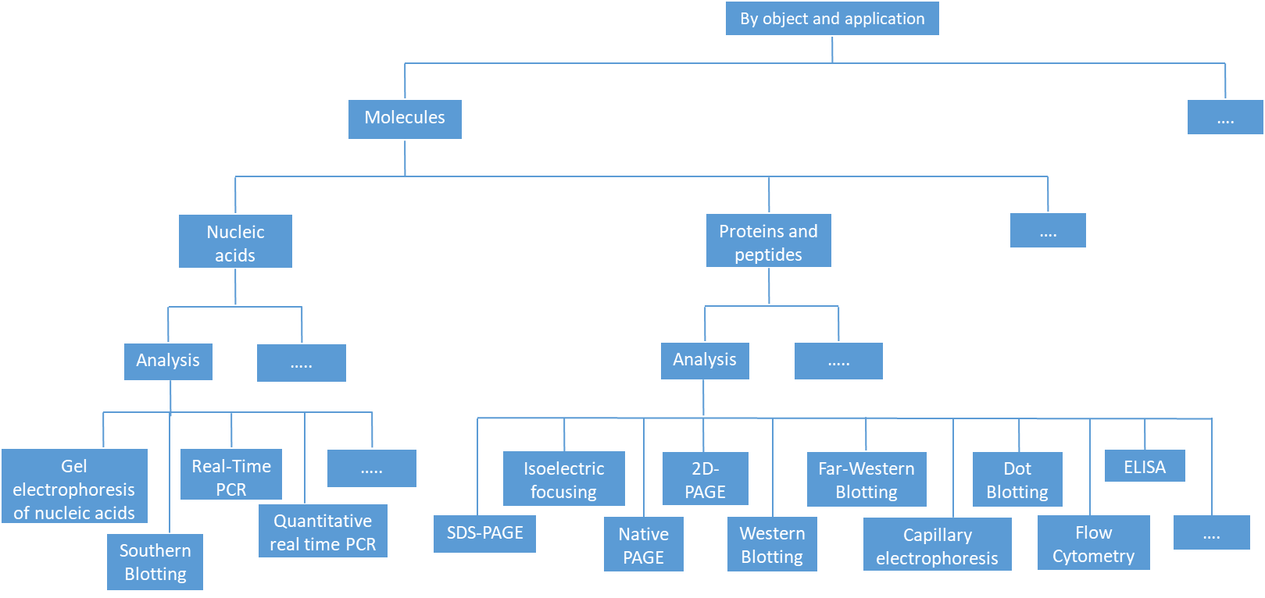
 |  | Catalog #1 (Object-Application) |  |  |  | Catalog #2 (Type of technique) |  |  | Tags
N | Name | Object | Sub-Object | Application level 1 | Application level 2 (фильтр?) | Type | Sub-Type level 1 | Sub-Type level 2 | Topic
1 | SDS-PAGE | Molecules | Proteins and peptides | Analysis | Qualitative | Physical and Physicochemical methods | Electrochemical methods | Electrophoretic methods | Biochemistry, Biotechnology, Molecular biology
2 | Native PAGE | Molecules | Proteins and peptides | Analysis | Qualitative | Physical and Physicochemical methods | Electrochemical methods | Electrophoretic methods | Biochemistry, Biotechnology, Molecular biology
3 | Isoelectric focusing | Molecules | Proteins and peptides | Analysis | Qualitative | Physical and Physicochemical methods | Electrochemical methods | Electrophoretic methods | Biochemistry, Biotechnology, Molecular biology
4 | 2D-PAGE | Molecules | Proteins and peptides | Analysis | Qualitative | Physical and Physicochemical methods | Electrochemical methods | Electrophoretic methods | Biochemistry, Biotechnology, Molecular biology
5 | Gel electrophoresis of nucleic acids | Molecules | Nucleic acids | Analysis | Qualitative | Physical and Physicochemical methods | Electrochemical methods | Electrophoretic methods | Molecular genetics, Biotechnology
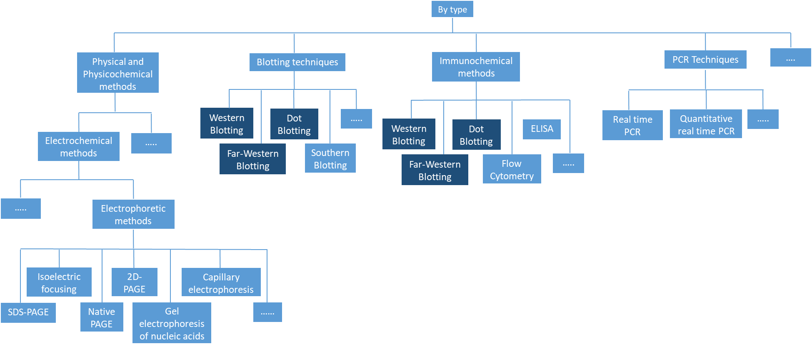
6 | Capillary electrophoresis | Molecules | Proteins and peptides | Analysis | Qualitative | Physical and Physicochemical methods | Electrochemical methods | Electrophoretic methods | Biochemistry, Biotechnology, Molecular biology
7 | Western blotting | Molecules | Proteins and peptides | Analysis | Qualitative+Quantitative/Semi-Quantitative+Protein modifications | Blotting techniques | - | - | Biochemistry, Biotechnology, Molecular biology
 |  |  |  |  |  | Immunochemical methods | - | -
8 | Far-Western blotting | Molecules | Proteins and peptides | Analysis | Protein-protein interactions | Blotting techniques | - | - | Biochemistry, Biotechnology, Molecular biology
 |  |  |  |  |  | Immunochemical methods
9 | Dot Blotting | Molecules | Proteins and peptides | Analysis | Qualitative | Blotting techniques | - | - | Biochemistry, Biotechnology, Molecular biology
 |  |  |  |  |  | Immunochemical methods | - | -
10 | Flow cytometry | Molecules | Proteins and peptides | Analysis | Qualitative | Immunochemical methods | - | - | Biochemistry, Biotechnology, Molecular biology, Cytology
 |  |  |  |  | Quantitative
11 | ELISA | Molecules | Proteins and peptides | Analysis | Qualitative | Immunochemical methods | - | - | Biochemistry, Biotechnology, Molecular biology
 |  |  |  |  | Quantitative
12 | Southern blotting | Molecules | Nucleic acids | Analysis | Qualitative | Blotting techniques | - | - | Molecular genetics, Biotechnology
 |  |  |  |  | Quantitative/Semi-Quantitative
13 | Real-Time PCR | Molecules | Nucleic acids | Analysis | Qualitative | PCR Techniques? | - | - | Molecular genetics, Biotechnology
14 | Quantitative real time PCR | Molecules | Nucleic acids | Analysis | Qualitative | PCR Techniques? | - | - | Molecular genetics, Biotechnology
 |  |  |  |  | Quantitative

